Sheet1
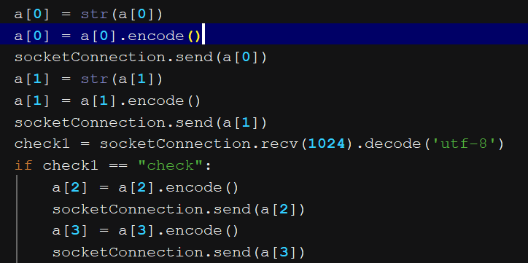
Bug ID | #P_1
Tester | Luu Dieu Co/Tran Hoang Chuong | Severity | Medium
Date (submitted) | 20/5/2019
Title | Incorrect format - client and server communicating through socket
Bug Description |  | Solution |  | Solution screenshot
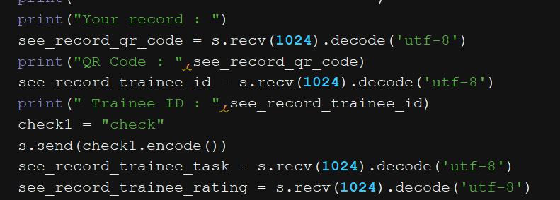
Summary | When user seeing profile, the server couldn't send 3 separated values because it was not in the right format | Adding a "trigger" in the client module. After receiving 2 values from server, client would automatically send a trigger announcement to server. In server, set an If condition, if the condition is equal to the received trigger announcement sent by client, the server would continuously send the next 2 values. Keep repeating this until the sending is over.
Platform | Windows 10 10.0.17763 Build 17763
Integrated Development Environment (IDE) | Pycharm 2019.1.1
Notes
Step-by-step Description: 1) Enter record date. 2) Enter ID record. 3) client interface stopped receiving at third values. Expected result - Should: client should able to receive all values Actual result - Is: Only three values were received, also the second and third value got sticked together.

